Data
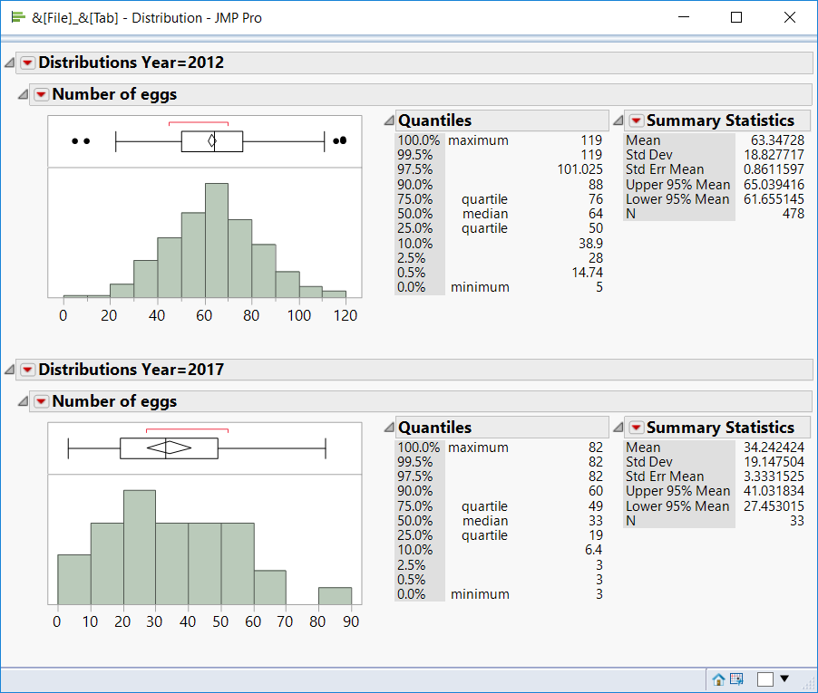
Year | Site | Date | Sample | Eggs | Winglength
2012 | Black | 1 | 1 | 61 | 5.2
2012 | Black | 1 | 2 | 56 | 4.64
2012 | Black | 1 | 2 | 82 | 5.6
2012 | Black | 2 | 2 | 39 | 4.48
2012 | Black | 2 | 2 | 52 | 4.72
2012 | Black | 2 | 2 | 66 | 4.72
2012 | Black | 2 | 2 | 31 | 5.36
2012 | Black | 2 | 2 | 53 | 5.44
2012 | Black | 2 | 3 | 62 | 4.8
2012 | Black | 2 | 3 | 70 | 5.28
2012 | East | 1 | 5 | 65 | 2.4
2012 | East | 2 | 2 | 48 | 3.6
2012 | East | 2 | 2 | 52 | 4.32
2012 | East | 2 | 2 | 75 | 4.88
2012 | East | 2 | 2 | 77 | 4.88
2012 | East | 2 | 2 | 86 | 5.04
2012 | East | 2 | 2 | 88 | 5.28
2012 | East | 2 | 3 | 51 | 2.64
2012 | East | 2 | 3 | 37 | 2.88
2012 | East | 2 | 3 | 5 | 3.28
2012 | East | 2 | 3 | 77 | 3.28
2012 | East | 2 | 3 | 34 | 3.52
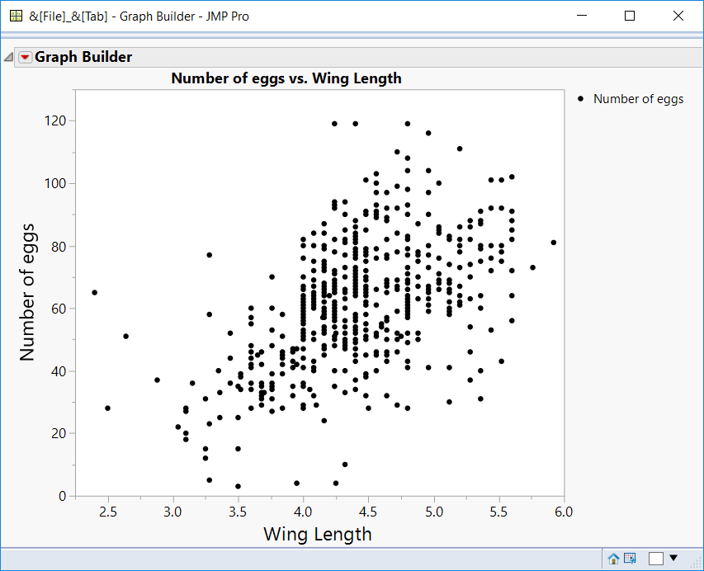
2012 | East | 2 | 3 | 44 | 4
2012 | East | 2 | 3 | 40 | 4.32
2012 | East | 2 | 3 | 32 | 4.48
2012 | East | 2 | 3 | 32 | 4.64
2012 | East | 2 | 3 | 43 | 4.64
2012 | East | 2 | 3 | 65 | 4.64
2012 | East | 2 | 3 | 61 | 4.8
2012 | East | 2 | 3 | 52 | 4.88
2012 | East | 2 | 3 | 71 | 5.04
2012 | Piler | 1 | 2 | 47 | 3.92
2012 | Piler | 1 | 2 | 52 | 4.08
2012 | Piler | 1 | 2 | 72 | 4.16
2012 | Piler | 1 | 4 | 97 | 4.64
2012 | Piler | 1 | 5 | 84 | 4.72
2012 | Piler | 1 | 6 | 48 | 4.24
2012 | Piler | 1 | 6 | 47 | 4.32
2012 | Piler | 1 | 6 | 65 | 4.4
2012 | Piler | 1 | 6 | 104 | 4.96
2012 | Piler | 2 | 1 | 46 | 3.6
2012 | Piler | 2 | 1 | 34 | 3.76
2012 | Piler | 2 | 1 | 42 | 3.84
2012 | Piler | 2 | 1 | 43 | 3.92
2012 | Piler | 2 | 1 | 55 | 4
2012 | Piler | 2 | 1 | 56 | 4
2012 | Piler | 2 | 1 | 67 | 4
2012 | Piler | 2 | 1 | 40 | 4.08
2012 | Piler | 2 | 1 | 60 | 4.16
2012 | Piler | 2 | 1 | 68 | 4.16
2012 | Piler | 2 | 1 | 72 | 4.16
2012 | Piler | 2 | 1 | 68 | 4.24
2012 | Piler | 2 | 1 | 48 | 4.32
2012 | Piler | 2 | 1 | 54 | 4.32
2012 | Piler | 2 | 1 | 70 | 4.32
2012 | Piler | 2 | 1 | 82 | 4.32
2012 | Piler | 2 | 1 | 77 | 4.4
2012 | Piler | 2 | 1 | 81 | 4.4
2012 | Piler | 2 | 1 | 88 | 4.4
2012 | Piler | 2 | 1 | 64 | 4.48
2012 | Piler | 2 | 1 | 75 | 4.48
2012 | Piler | 2 | 1 | 40 | 4.56
2012 | Piler | 2 | 1 | 76 | 4.64
2012 | Piler | 2 | 1 | . | 4.64
2012 | Piler | 2 | 1 | 63 | 4.96
2012 | Piler | 2 | 2 | 32 | 3.92
2012 | Piler | 2 | 2 | 51 | 4.24
2012 | Piler | 2 | 2 | 76 | 4.4
2012 | Piler | 2 | 2 | 59 | 4.72
2012 | Piler | 2 | 3 | 48 | 3.76
2012 | Piler | 2 | 3 | 41 | 4
2012 | Piler | 2 | 3 | 62 | 4.08
2012 | Piler | 2 | 3 | 62 | 4.16
2012 | Piler | 2 | 3 | . | 4.16
2012 | Piler | 2 | 3 | 40 | 4.24
2012 | Piler | 2 | 3 | 78 | 4.24
2012 | Piler | 2 | 3 | . | 4.24
2012 | Piler | 2 | 3 | 10 | 4.32
2012 | Piler | 2 | 3 | 85 | 4.32
2012 | Piler | 2 | 4 | 49 | 4.4
2012 | Piler | 2 | 5 | 44 | 3.44
2012 | Piler | 2 | 5 | 46 | 3.92
2012 | Piler | 2 | 5 | 32 | 4.08
2012 | Piler | 2 | 5 | 50 | 4.08
2012 | Piler | 2 | 5 | 65 | 4.16
2012 | Piler | 2 | 5 | . | 4.16
2012 | Piler | 2 | 5 | 72 | 4.24
2012 | Piler | 2 | 5 | 92 | 4.24
2012 | Piler | 2 | 5 | 65 | 4.32
2012 | Piler | 2 | 5 | 66 | 4.32
2012 | Piler | 2 | 6 | 73 | 4.4
2012 | Vulgaris | 1 | 1 | 45 | 3.84
2012 | Vulgaris | 1 | 1 | 76 | 4.64
2012 | Vulgaris | 1 | 1 | 77 | 4.64
2012 | Vulgaris | 1 | 1 | 86 | 5.2
2012 | Vulgaris | 1 | 1 | 82 | 5.28
2012 | Vulgaris | 1 | 1 | 88 | 5.36
2012 | Vulgaris | 1 | 1 | 92 | 5.52
2012 | Vulgaris | 1 | 2 | 77 | 4.8
2012 | Vulgaris | 1 | 3 | 66 | 4.16
2012 | Vulgaris | 1 | 3 | 70 | 4.32
2012 | Vulgaris | 1 | 3 | 72 | 4.48
2012 | Vulgaris | 1 | 3 | 85 | 5.04
2012 | Vulgaris | 1 | 3 | 64 | 5.36
2012 | Vulgaris | 1 | 4 | 61 | 4.48
2012 | Vulgaris | 1 | 4 | 46 | 4.64
2012 | Vulgaris | 1 | 4 | 98 | 4.8
2012 | Vulgaris | 1 | 4 | 101 | 5.52
2012 | Vulgaris | 1 | 6 | 62 | 4.24
2012 | Vulgaris | 1 | 6 | 89 | 4.64
2012 | Vulgaris | 1 | 6 | 92 | 4.64
2012 | Vulgaris | 1 | 6 | 110 | 4.72
2012 | Vulgaris | 1 | 6 | 60 | 4.8
2012 | Vulgaris | 1 | 6 | 97 | 4.96
2012 | Vulgaris | 1 | 6 | 81 | 5.92
2012 | Vulgaris | 2 | 1 | 39 | 3.84
2012 | Vulgaris | 2 | 1 | 70 | 4
2012 | Vulgaris | 2 | 1 | 75 | 4.08
2012 | Vulgaris | 2 | 1 | 58 | 4.16
2012 | Vulgaris | 2 | 1 | 50 | 4.24
2012 | Vulgaris | 2 | 1 | 54 | 4.24
2012 | Vulgaris | 2 | 1 | 61 | 4.24
2012 | Vulgaris | 2 | 1 | 62 | 4.24
2012 | Vulgaris | 2 | 1 | 94 | 4.32
2012 | Vulgaris | 2 | 1 | 34 | 4.4
2012 | Vulgaris | 2 | 1 | 81 | 4.4
2012 | Vulgaris | 2 | 1 | 69 | 4.48
2012 | Vulgaris | 2 | 1 | 77 | 4.48
2012 | Vulgaris | 2 | 1 | 101 | 4.48
2012 | Vulgaris | 2 | 1 | 91 | 4.56
2012 | Vulgaris | 2 | 1 | 79 | 4.8
2012 | Vulgaris | 2 | 1 | 93 | 4.8
2012 | Vulgaris | 2 | 1 | 119 | 4.8
2012 | Vulgaris | 2 | 1 | 74 | 5.12
2012 | Vulgaris | 2 | 1 | 82 | 5.12
2012 | Vulgaris | 2 | 1 | 73 | 5.2
2012 | Vulgaris | 2 | 1 | 111 | 5.2
2012 | Vulgaris | 2 | 1 | 40 | 5.36
2012 | Vulgaris | 2 | 1 | 91 | 5.6
2012 | Vulgaris | 2 | 2 | 28 | 3.6
2012 | Vulgaris | 2 | 2 | 46 | 3.68
2012 | Vulgaris | 2 | 2 | 27 | 3.76
2012 | Vulgaris | 2 | 2 | 29 | 4
2012 | Vulgaris | 2 | 2 | 44 | 4
2012 | Vulgaris | 2 | 2 | 52 | 4
2012 | Vulgaris | 2 | 2 | 63 | 4
2012 | Vulgaris | 2 | 2 | 64 | 4
2012 | Vulgaris | 2 | 2 | 66 | 4
2012 | Vulgaris | 2 | 2 | 69 | 4.08
2012 | Vulgaris | 2 | 2 | 54 | 4.16
2012 | Vulgaris | 2 | 2 | 74 | 4.16
2012 | Vulgaris | 2 | 2 | 75 | 4.16
2012 | Vulgaris | 2 | 2 | 87 | 4.16
2012 | Vulgaris | 2 | 2 | 59 | 4.24
2012 | Vulgaris | 2 | 2 | 69 | 4.24
2012 | Vulgaris | 2 | 2 | 94 | 4.24
2012 | Vulgaris | 2 | 2 | 70 | 4.32
2012 | Vulgaris | 2 | 2 | 43 | 4.4
2012 | Vulgaris | 2 | 2 | 47 | 4.4
2012 | Vulgaris | 2 | 2 | 52 | 4.4
2012 | Vulgaris | 2 | 2 | 54 | 4.4
2012 | Vulgaris | 2 | 2 | 58 | 4.4
2012 | Vulgaris | 2 | 2 | 64 | 4.4
2012 | Vulgaris | 2 | 2 | 71 | 4.4
2012 | Vulgaris | 2 | 2 | 83 | 4.4
2012 | Vulgaris | 2 | 2 | 86 | 4.4
2012 | Vulgaris | 2 | 2 | 88 | 4.4
2012 | Vulgaris | 2 | 2 | 58 | 4.48
2012 | Vulgaris | 2 | 2 | 93 | 4.56
2012 | Vulgaris | 2 | 2 | 45 | 4.64
2012 | Vulgaris | 2 | 2 | 88 | 4.64
2012 | Vulgaris | 2 | 2 | 50 | 4.72
2012 | Vulgaris | 2 | 2 | 78 | 4.72
2012 | Vulgaris | 2 | 2 | 41 | 4.8
2012 | Vulgaris | 2 | 2 | 43 | 4.8
2012 | Vulgaris | 2 | 2 | 49 | 4.8
2012 | Vulgaris | 2 | 2 | 59 | 4.8
2012 | Vulgaris | 2 | 2 | 63 | 4.8
2012 | Vulgaris | 2 | 2 | 64 | 4.8
2012 | Vulgaris | 2 | 2 | 69 | 4.8
2012 | Vulgaris | 2 | 2 | 104 | 4.8
2012 | Vulgaris | 2 | 2 | 67 | 4.96
2012 | Vulgaris | 2 | 2 | 66 | 5.04
2012 | Vulgaris | 2 | 2 | 68 | 5.04
2012 | Vulgaris | 2 | 2 | 84 | 5.04
2012 | Vulgaris | 2 | 2 | 30 | 5.12
2012 | Vulgaris | 2 | 2 | 41 | 5.12
2012 | Vulgaris | 2 | 2 | 62 | 5.12
2012 | Vulgaris | 2 | 2 | 69 | 5.12
2012 | Vulgaris | 2 | 2 | 67 | 5.2
2012 | Vulgaris | 2 | 2 | 82 | 5.2
2012 | Vulgaris | 2 | 2 | 86 | 5.2
2012 | Vulgaris | 2 | 2 | 79 | 5.36
2012 | Vulgaris | 2 | 2 | 80 | 5.44
2012 | Vulgaris | 2 | 2 | 92 | 5.44
2012 | Vulgaris | 2 | 2 | 75 | 5.52
2012 | Vulgaris | 2 | 2 | 72 | 5.6
2012 | Vulgaris | 2 | 3 | 58 | 3.28
2012 | Vulgaris | 2 | 3 | 33 | 3.36
2012 | Vulgaris | 2 | 3 | 36 | 3.44
2012 | Vulgaris | 2 | 3 | 36 | 3.76
2012 | Vulgaris | 2 | 3 | 51 | 4
2012 | Vulgaris | 2 | 3 | 72 | 4.08
2012 | Vulgaris | 2 | 3 | 80 | 4.08
2012 | Vulgaris | 2 | 3 | 48 | 4.16
2012 | Vulgaris | 2 | 3 | 67 | 4.16
2012 | Vulgaris | 2 | 3 | 73 | 4.16
2012 | Vulgaris | 2 | 3 | 73 | 4.32
2012 | Vulgaris | 2 | 3 | 37 | 4.4
2012 | Vulgaris | 2 | 3 | 54 | 4.4
2012 | Vulgaris | 2 | 3 | 84 | 4.4
2012 | Vulgaris | 2 | 3 | 38 | 4.48
2012 | Vulgaris | 2 | 3 | 50 | 4.48
2012 | Vulgaris | 2 | 3 | 85 | 4.48
2012 | Vulgaris | 2 | 3 | 52 | 4.56
2012 | Vulgaris | 2 | 3 | 61 | 4.56
2012 | Vulgaris | 2 | 3 | 61 | 4.8
2012 | Vulgaris | 2 | 3 | 102 | 5.6
2012 | Vulgaris | 2 | 4 | 39 | 3.52
2012 | Vulgaris | 2 | 4 | 57 | 3.6
2012 | Vulgaris | 2 | 4 | 33 | 3.68
2012 | Vulgaris | 2 | 4 | 35 | 3.76
2012 | Vulgaris | 2 | 4 | 39 | 3.76
2012 | Vulgaris | 2 | 4 | 60 | 3.76
2012 | Vulgaris | 2 | 4 | 51 | 3.84
2012 | Vulgaris | 2 | 4 | 47 | 3.92
2012 | Vulgaris | 2 | 4 | 50 | 4
2012 | Vulgaris | 2 | 4 | 57 | 4
2012 | Vulgaris | 2 | 4 | 84 | 4.08
2012 | Vulgaris | 2 | 4 | 52 | 4.16
2012 | Vulgaris | 2 | 4 | 57 | 4.16
2012 | Vulgaris | 2 | 4 | 60 | 4.16
2012 | Vulgaris | 2 | 4 | 64 | 4.16
2012 | Vulgaris | 2 | 4 | 66 | 4.16
2012 | Vulgaris | 2 | 4 | 68 | 4.16
2012 | Vulgaris | 2 | 4 | 73 | 4.16
2012 | Vulgaris | 2 | 4 | 79 | 4.16
2012 | Vulgaris | 2 | 4 | 51 | 4.24
2012 | Vulgaris | 2 | 4 | 56 | 4.24
2012 | Vulgaris | 2 | 4 | 60 | 4.24
2012 | Vulgaris | 2 | 4 | 65 | 4.24
2012 | Vulgaris | 2 | 4 | 60 | 4.32
2012 | Vulgaris | 2 | 4 | 63 | 4.32
2012 | Vulgaris | 2 | 4 | 77 | 4.32
2012 | Vulgaris | 2 | 4 | 81 | 4.32
2012 | Vulgaris | 2 | 4 | 90 | 4.32
2012 | Vulgaris | 2 | 4 | 50 | 4.4
2012 | Vulgaris | 2 | 4 | 57 | 4.4
2012 | Vulgaris | 2 | 4 | 64 | 4.4
2012 | Vulgaris | 2 | 4 | 66 | 4.4
2012 | Vulgaris | 2 | 4 | 68 | 4.4
2012 | Vulgaris | 2 | 4 | 78 | 4.4
2012 | Vulgaris | 2 | 4 | 65 | 4.48
2012 | Vulgaris | 2 | 4 | 65 | 4.48
2012 | Vulgaris | 2 | 4 | 65 | 4.48
2012 | Vulgaris | 2 | 4 | 66 | 4.48
2012 | Vulgaris | 2 | 4 | 72 | 4.48
2012 | Vulgaris | 2 | 4 | 77 | 4.48
2012 | Vulgaris | 2 | 4 | 78 | 4.48
2012 | Vulgaris | 2 | 4 | 78 | 4.48
2012 | Vulgaris | 2 | 4 | 46 | 4.56
2012 | Vulgaris | 2 | 4 | 90 | 4.56
2012 | Vulgaris | 2 | 4 | 57 | 4.64
2012 | Vulgaris | 2 | 4 | 46 | 4.72
2012 | Vulgaris | 2 | 4 | 52 | 4.8
2012 | Vulgaris | 2 | 4 | 57 | 4.8
2012 | Vulgaris | 2 | 4 | 62 | 4.8
2012 | Vulgaris | 2 | 4 | 62 | 4.8
2012 | Vulgaris | 2 | 4 | 71 | 4.8
2012 | Vulgaris | 2 | 4 | 73 | 4.8
2012 | Vulgaris | 2 | 4 | 63 | 4.88
2012 | Vulgaris | 2 | 4 | 70 | 4.88
2012 | Vulgaris | 2 | 4 | 78 | 4.88
2012 | Vulgaris | 2 | 4 | 87 | 4.88
2012 | Vulgaris | 2 | 4 | 59 | 4.96
2012 | Vulgaris | 2 | 4 | 59 | 4.96
2012 | Vulgaris | 2 | 4 | 61 | 4.96
2012 | Vulgaris | 2 | 4 | 65 | 4.96
2012 | Vulgaris | 2 | 4 | 65 | 4.96
2012 | Vulgaris | 2 | 4 | 66 | 4.96
2012 | Vulgaris | 2 | 4 | 77 | 4.96
2012 | Vulgaris | 2 | 4 | 80 | 4.96
2012 | Vulgaris | 2 | 4 | 90 | 4.96
2012 | Vulgaris | 2 | 4 | 116 | 4.96
2012 | Vulgaris | 2 | 4 | 66 | 5.04
2012 | Vulgaris | 2 | 4 | 76 | 5.04
2012 | Vulgaris | 2 | 4 | 100 | 5.04
2012 | Vulgaris | 2 | 4 | 58 | 5.12
2012 | Vulgaris | 2 | 4 | 59 | 5.12
2012 | Vulgaris | 2 | 4 | 60 | 5.12
2012 | Vulgaris | 2 | 4 | 65 | 5.12
2012 | Vulgaris | 2 | 4 | 66 | 5.12
2012 | Vulgaris | 2 | 4 | 83 | 5.12
2012 | Vulgaris | 2 | 4 | 62 | 5.2
2012 | Vulgaris | 2 | 4 | 64 | 5.2
2012 | Vulgaris | 2 | 4 | 78 | 5.2
2012 | Vulgaris | 2 | 4 | 80 | 5.2
2012 | Vulgaris | 2 | 4 | 54 | 5.28
2012 | Vulgaris | 2 | 4 | 63 | 5.28
2012 | Vulgaris | 2 | 4 | 74 | 5.28
2012 | Vulgaris | 2 | 4 | 86 | 5.28
2012 | Vulgaris | 2 | 4 | 60 | 5.36
2012 | Vulgaris | 2 | 4 | 72 | 5.44
2012 | Vulgaris | 2 | 4 | 76 | 5.44
2012 | Vulgaris | 2 | 4 | 101 | 5.44
2012 | Vulgaris | 2 | 4 | 78 | 5.52
2012 | Vulgaris | 2 | 4 | 80 | 5.52
2012 | Vulgaris | 2 | 4 | 64 | 5.6
2012 | Vulgaris | 2 | 4 | 85 | 5.6
2012 | Vulgaris | 2 | 5 | 22 | 3.04
2012 | Vulgaris | 2 | 5 | 25 | 3.36
2012 | Vulgaris | 2 | 5 | 42 | 3.6
2012 | Vulgaris | 2 | 5 | 60 | 3.6
2012 | Vulgaris | 2 | 5 | 36 | 3.68
2012 | Vulgaris | 2 | 5 | 42 | 3.68
2012 | Vulgaris | 2 | 5 | 31 | 3.76
2012 | Vulgaris | 2 | 5 | 53 | 3.76
2012 | Vulgaris | 2 | 5 | 44 | 3.84
2012 | Vulgaris | 2 | 5 | 46 | 3.84
2012 | Vulgaris | 2 | 5 | 58 | 3.84
2012 | Vulgaris | 2 | 5 | 35 | 3.92
2012 | Vulgaris | 2 | 5 | 43 | 3.92
2012 | Vulgaris | 2 | 5 | 35 | 4
2012 | Vulgaris | 2 | 5 | 36 | 4
2012 | Vulgaris | 2 | 5 | 47 | 4
2012 | Vulgaris | 2 | 5 | 52 | 4
2012 | Vulgaris | 2 | 5 | 53 | 4
2012 | Vulgaris | 2 | 5 | 56 | 4
2012 | Vulgaris | 2 | 5 | 59 | 4
2012 | Vulgaris | 2 | 5 | 59 | 4
2012 | Vulgaris | 2 | 5 | 60 | 4
2012 | Vulgaris | 2 | 5 | 62 | 4
2012 | Vulgaris | 2 | 5 | 76 | 4
2012 | Vulgaris | 2 | 5 | 80 | 4
2012 | Vulgaris | 2 | 5 | 41 | 4.08
2012 | Vulgaris | 2 | 5 | 60 | 4.08
2012 | Vulgaris | 2 | 5 | 61 | 4.08
2012 | Vulgaris | 2 | 5 | 63 | 4.08
2012 | Vulgaris | 2 | 5 | 24 | 4.16
2012 | Vulgaris | 2 | 5 | 48 | 4.16
2012 | Vulgaris | 2 | 5 | 54 | 4.16
2012 | Vulgaris | 2 | 5 | 54 | 4.16
2012 | Vulgaris | 2 | 5 | 58 | 4.16
2012 | Vulgaris | 2 | 5 | 68 | 4.16
2012 | Vulgaris | 2 | 5 | 73 | 4.16
2012 | Vulgaris | 2 | 5 | 84 | 4.16
2012 | Vulgaris | 2 | 5 | 54 | 4.24
2012 | Vulgaris | 2 | 5 | 58 | 4.24
2012 | Vulgaris | 2 | 5 | 60 | 4.24
2012 | Vulgaris | 2 | 5 | 66 | 4.24
2012 | Vulgaris | 2 | 5 | 67 | 4.24
2012 | Vulgaris | 2 | 5 | 71 | 4.24
2012 | Vulgaris | 2 | 5 | 82 | 4.24
2012 | Vulgaris | 2 | 5 | 33 | 4.32
2012 | Vulgaris | 2 | 5 | 56 | 4.32
2012 | Vulgaris | 2 | 5 | 66 | 4.32
2012 | Vulgaris | 2 | 5 | 73 | 4.32
2012 | Vulgaris | 2 | 5 | 37 | 4.4
2012 | Vulgaris | 2 | 5 | 45 | 4.4
2012 | Vulgaris | 2 | 5 | 47 | 4.4
2012 | Vulgaris | 2 | 5 | 53 | 4.4
2012 | Vulgaris | 2 | 5 | 56 | 4.4
2012 | Vulgaris | 2 | 5 | 67 | 4.4
2012 | Vulgaris | 2 | 5 | 69 | 4.4
2012 | Vulgaris | 2 | 5 | 70 | 4.4
2012 | Vulgaris | 2 | 5 | 71 | 4.4
2012 | Vulgaris | 2 | 5 | 72 | 4.4
2012 | Vulgaris | 2 | 5 | 79 | 4.4
2012 | Vulgaris | 2 | 5 | 79 | 4.4
2012 | Vulgaris | 2 | 5 | 82 | 4.4
2012 | Vulgaris | 2 | 5 | 119 | 4.4
2012 | Vulgaris | 2 | 5 | 45 | 4.48
2012 | Vulgaris | 2 | 5 | 67 | 4.48
2012 | Vulgaris | 2 | 5 | 70 | 4.48
2012 | Vulgaris | 2 | 5 | 75 | 4.48
2012 | Vulgaris | 2 | 5 | 79 | 4.48
2012 | Vulgaris | 2 | 5 | 90 | 4.48
2012 | Vulgaris | 2 | 5 | 90 | 4.48
2012 | Vulgaris | 2 | 5 | 91 | 4.48
2012 | Vulgaris | 2 | 5 | 66 | 4.56
2012 | Vulgaris | 2 | 5 | 89 | 4.56
2012 | Vulgaris | 2 | 5 | 97 | 4.56
2012 | Vulgaris | 2 | 5 | 103 | 4.56
2012 | Vulgaris | 2 | 5 | 67 | 4.64
2012 | Vulgaris | 2 | 5 | 68 | 4.64
2012 | Vulgaris | 2 | 5 | 68 | 4.64
2012 | Vulgaris | 2 | 5 | 69 | 4.64
2012 | Vulgaris | 2 | 5 | 82 | 4.64
2012 | Vulgaris | 2 | 5 | 29 | 4.72
2012 | Vulgaris | 2 | 5 | 67 | 4.72
2012 | Vulgaris | 2 | 5 | 69 | 4.72
2012 | Vulgaris | 2 | 5 | 99 | 4.72
2012 | Vulgaris | 2 | 5 | 58 | 4.8
2012 | Vulgaris | 2 | 5 | 66 | 4.8
2012 | Vulgaris | 2 | 5 | 68 | 4.8
2012 | Vulgaris | 2 | 5 | 82 | 4.8
2012 | Vulgaris | 2 | 5 | 82 | 4.8
2012 | Vulgaris | 2 | 5 | 83 | 4.8
2012 | Vulgaris | 2 | 5 | 90 | 4.8
2012 | Vulgaris | 2 | 5 | 108 | 4.8
2012 | Vulgaris | 2 | 5 | 73 | 4.96
2012 | Vulgaris | 2 | 5 | 69 | 5.04
2012 | Vulgaris | 2 | 5 | 66 | 5.12
2012 | Vulgaris | 2 | 5 | 68 | 5.12
2012 | Vulgaris | 2 | 5 | 82 | 5.2
2012 | Vulgaris | 2 | 5 | 87 | 5.36
2012 | Vulgaris | 2 | 5 | 91 | 5.36
2012 | Vulgaris | 2 | 5 | 88 | 5.6
2012 | Vulgaris | 2 | 6 | 34 | 3.6
2012 | Vulgaris | 2 | 6 | 36 | 3.6
2012 | Vulgaris | 2 | 6 | 70 | 3.76
2012 | Vulgaris | 2 | 6 | 58 | 4
2012 | Vulgaris | 2 | 6 | 45 | 4.16
2012 | Vulgaris | 2 | 6 | 57 | 4.24
2012 | Vulgaris | 2 | 6 | 100 | 4.56
2012 | Vulgaris | 2 | 6 | 41 | 4.96
2012 | Vulgaris | 3 | 3 | 31 | 3.68
2012 | Vulgaris | 3 | 3 | 28 | 4
2012 | Vulgaris | 3 | 3 | 60 | 4.8
2012 | Vulgaris | 3 | 3 | 56 | 5.6
2012 | Vulgaris | 3 | 4 | 23 | 3.28
2012 | Vulgaris | 3 | 4 | 38 | 3.52
2012 | Vulgaris | 3 | 4 | 61 | 4
2012 | Vulgaris | 3 | 4 | 76 | 4
2012 | Vulgaris | 3 | 4 | 64 | 4.08
2012 | Vulgaris | 3 | 4 | 65 | 4.08
2012 | Vulgaris | 3 | 4 | 67 | 4.08
2012 | Vulgaris | 3 | 4 | 59 | 4.16
2012 | Vulgaris | 3 | 4 | 80 | 4.16
2012 | Vulgaris | 3 | 4 | 56 | 4.24
2012 | Vulgaris | 3 | 4 | 93 | 4.24
2012 | Vulgaris | 3 | 4 | 119 | 4.24
2012 | Vulgaris | 3 | 4 | 45 | 4.4
2012 | Vulgaris | 3 | 4 | 51 | 4.48
2012 | Vulgaris | 3 | 4 | 53 | 4.48
2012 | Vulgaris | 3 | 4 | 55 | 4.48
2012 | Vulgaris | 3 | 4 | 62 | 4.48
2012 | Vulgaris | 3 | 4 | 50 | 4.64
2012 | Vulgaris | 3 | 4 | 53 | 4.64
2012 | Vulgaris | 3 | 4 | 28 | 4.8
2012 | Vulgaris | 3 | 4 | 67 | 4.88
2012 | Vulgaris | 3 | 5 | 29 | 3.68
2012 | Vulgaris | 3 | 5 | 35 | 3.68
2012 | Vulgaris | 3 | 5 | 41 | 4
2012 | Vulgaris | 3 | 5 | 53 | 4.16
2012 | Vulgaris | 3 | 5 | 60 | 4.16
2012 | Vulgaris | 3 | 5 | 35 | 4.24
2012 | Vulgaris | 3 | 5 | 50 | 4.32
2012 | Vulgaris | 3 | 5 | 49 | 4.4
2012 | Vulgaris | 3 | 5 | 66 | 4.4
2012 | Vulgaris | 3 | 5 | 68 | 4.4
2012 | Vulgaris | 3 | 5 | 45 | 4.56
2012 | Vulgaris | 3 | 5 | 76 | 4.56
2012 | Vulgaris | 3 | 5 | 79 | 4.56
2012 | Vulgaris | 3 | 5 | 50 | 4.72
2012 | Vulgaris | 3 | 5 | 92 | 4.72
2012 | Vulgaris | 3 | 5 | 50 | 4.88
2012 | Vulgaris | 3 | 5 | 80 | 5.36
2012 | Vulgaris | 3 | 6 | 52 | 3.44
2012 | Vulgaris | 3 | 6 | 28 | 3.6
2012 | Vulgaris | 3 | 6 | 41 | 3.6
2012 | Vulgaris | 3 | 6 | 55 | 3.6
2012 | Vulgaris | 3 | 6 | 32 | 3.68
2012 | Vulgaris | 3 | 6 | 53 | 3.76
2012 | Vulgaris | 3 | 6 | 28 | 3.84
2012 | Vulgaris | 3 | 6 | 41 | 3.92
2012 | Vulgaris | 3 | 6 | 50 | 4
2012 | Vulgaris | 3 | 6 | 43 | 4.08
2012 | Vulgaris | 3 | 6 | 47 | 4.16
2012 | Vulgaris | 3 | 6 | 74 | 4.16
2012 | Vulgaris | 3 | 6 | 49 | 4.32
2012 | Vulgaris | 3 | 6 | 60 | 4.32
2012 | Vulgaris | 3 | 6 | 82 | 4.32
2012 | Vulgaris | 3 | 6 | 52 | 4.4
2012 | Vulgaris | 3 | 6 | 64 | 4.4
2012 | Vulgaris | 3 | 6 | 71 | 4.4
2012 | Vulgaris | 3 | 6 | 51 | 4.56
2012 | Vulgaris | 3 | 6 | 37 | 5.28
2012 | Vulgaris | 3 | 6 | 46 | 5.28
2012 | Vulgaris | 3 | 6 | 75 | 5.36
2012 | Vulgaris | 3 | 6 | 43 | 5.52
2012 | Vulgaris | 3 | 6 | 73 | 5.76
2017 | Golf | 2017-06-30 |  | 44 | 3.6
2017 | Golf | 2017-06-30 |  | 55 | 4.6
2017 | Golf | 2017-06-30 |  | 34 | 4.05
2017 | Golf | 2017-06-30 |  | 4 | 3.95
2017 | Golf | 2017-06-30 |  | 10
2017 | Golf | 2017-06-30 |  | 29 | 4.1
2017 | Golf | 2017-06-30 |  | 35 | 3.5
2017 | Golf | 2017-06-30 |  | 18 | 3.1
2017 | Golf | 2017-06-30 |  | 28 | 2.5
2017 | Oil | 2017-07-10 |  | 4 | 4.25
2017 | Oil | 2017-07-06 |  | 33 | 3.7
2017 | Oil | 2017-07-06 |  | 51 | 4.75
2017 | Oil | 2017-07-06 |  | 15 | 3.25
2017 | Oil | 2017-07-06 |  | 15 | 3.5
2017 | Oil | 2017-07-06 |  | 28 | 3.1
2017 | Oil | 2017-07-06 |  | 12 | 3.25
2017 | Golf | 2017-06-24 |  | 3 | 3.5
2017 | Golf | 2017-06-24 |  | 47 | 3.95
2017 | Golf | 2017-06-24 |  | 20 | 3.1
2017 | Golf | 2017-06-24 |  | 54 | 4.6
2017 | Waterfall | 2017-06-23 |  | 45 | 3.65
2017 | Oil | 2017-06-30 |  | 27 | 3.1
2017 | Oil | 2017-06-30 |  | 57 | 4.15
2017 | Moz vallley | 2017-06-30 |  | 40 | 3.35
2017 | Moz vallley | 2017-06-30 |  | 31 | 3.25
2017 | Kforest | 2017-06-24 |  | 82 | 4
2017 | Oil | 2017-06-16 |  | 62 | 4
2017 | Bunny hill | 2017-07-10 |  | 36 | 3.15
2017 | Golf | 2017-07-06 |  | 28 | 4.5
2017 | Golf | 2017-07-06 |  | 52 | 4.25
2017 | Golf | 2017-07-06 |  | 25 | 3.5
2017 | Golf | 2017-07-10 |  | 42 | 3.95
2017 | Golf | 2017-06-18 |  | 64 | 4.2

